Table 1

Selected Acquisition Report (SAR)
RCS: DD-A&T(Q&A)823-197
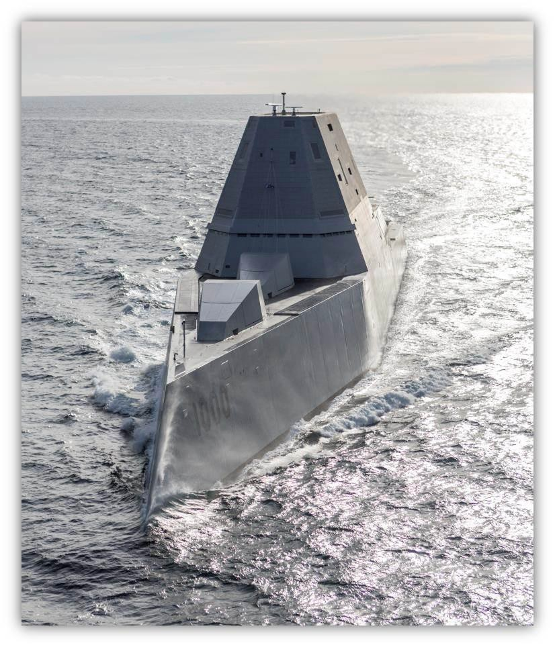
DDG 1000 Zumwalt Class Destroyer (DDG 1000)
As of FY 2017 President's Budget
Defense Acquisition Management Information Retrieval
(DAMIR)

Table 11
Schedule
Schedule Events
Events | SAR Baseline Development Estimate | Current APB Development Objective/Threshold |  | Current Estimate
Milestone B | Nov 2005 | Nov 2005 | May 2006 | Nov 2005
Lead Ship Awards | Jan 2006 | Aug 2006 | Feb 2007 | Aug 2006
Milestone B Re-approval | N/A | Sep 2010 | Mar 2011 | Oct 2010
First Ship Delivery | Sep 2012 | Apr 2014 | Oct 2014 | Apr 20161
OPEVAL | Sep 2013 | Oct 2015 | Apr 2016 | Dec 20171
IOC | Jan 2014 | Apr 2016 | Oct 2016 | Dec 20191
Milestone C | Mar 2015 | Apr 2016 | Oct 2016 | Dec 20191
1 APB Breach
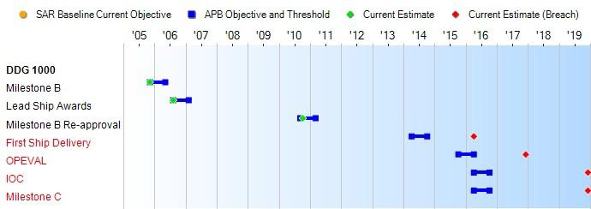
(Ch-1)
(Ch-2)
(Ch-3)
(Ch-4)
Change Explanations
(Ch-1) The current estimate for First Ship Delivery has changed from November 2015 to April 2016 due to delay in shipyard contract completion.
(Ch-2) The current estimate for OPEVAL has changed from August 2017 to December 2017 due to delay in shipyard contract completion.
(Ch-3) The current estimate for IOC has changed from September 2018 to December 2019 due to delay in shipyard contract completion.
(Ch-4) Milestone C is not applicable since all three ships of the class are under contract and thus IOC is used as the Milestone C date.
Notes
First Ship Delivery marks completion of DDG 1000 at point of pre-mission system activation. An initial Inspection and Survey Trial will be performed for HM&E delivery.

Table 30
Unit Cost History
Item |  |  | Date |  |  |  |  | BY 2005 $M |  |  |  |  |  |  | TY $M
 |  |  |  |  |  |  |  | PAUC |  |  | APUC |  |  |  | PAUC |  |  | APUC

Original APB |  | Nov 2005 |  |  |  |  |  | 3154.790 |  |  |  | 2323.470 |  |  |  | 3629.620 |  |  | 2781.320
APB as of January 2006 |  | Nov 2005 |  |  |  |  |  | 3154.790 |  |  |  | 2323.470 |  |  |  | 3629.620 |  |  | 2781.320
Revised Original APB |  | Mar 2011 |  |  |  |  |  | 6396.433 |  |  |  | 3398.433 |  |  |  | 7274.433 |  |  | 4165.933
Prior APB |  | Nov 2005 |  |  |  |  |  | 3154.790 |  |  |  | 2323.470 |  |  |  | 3629.620 |  |  | 2781.320
Current APB |  | Mar 2011 |  |  |  |  |  | 6396.433 |  |  |  | 3398.433 |  |  |  | 7274.433 |  |  | 4165.933
Prior Annual SAR |  | Dec 2014 |  |  |  |  |  | 6289.367 |  |  |  | 3357.767 |  |  |  | 7334.700 |  |  | 4296.600
Current Estimate |  | Dec 2015 |  |  |  |  |  | 6377.233 |  |  |  | 3429.100 |  |  |  | 7467.000 |  |  | 4408.400
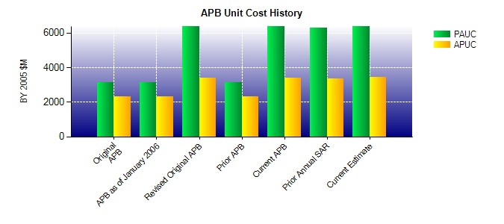
SAR Unit Cost History
Current SAR Baseline to Current Estimate (TY $M)
Initial PAUC Development Estimate | Changes |  |  |  |  |  |  |  |  |  |  |  |  |  |  |  | PAUC Current Estimate
 | Econ | Qty |  |  | Sch |  | Eng |  | Est |  | Oth |  | Spt | Total
3629.630 609.833 2104.837 38.100 22.067 1062.533 0.000 0.000 3837.370 7467.000
Current SAR Baseline to Current Estimate (TY $M)
Initial APUC Development Estimate | Changes |  |  |  |  |  |  |  |  |  |  |  |  |  |  |  | APUC Current Estimate
 | Econ | Qty |  | Sch |  | Eng |  |  |  | Est | Oth |  | Spt | Total
2781.330 606.967 125.469 37.167 -126.500 983.967 0.000 0.000 1627.070 4408.400

